facebook - Test cases
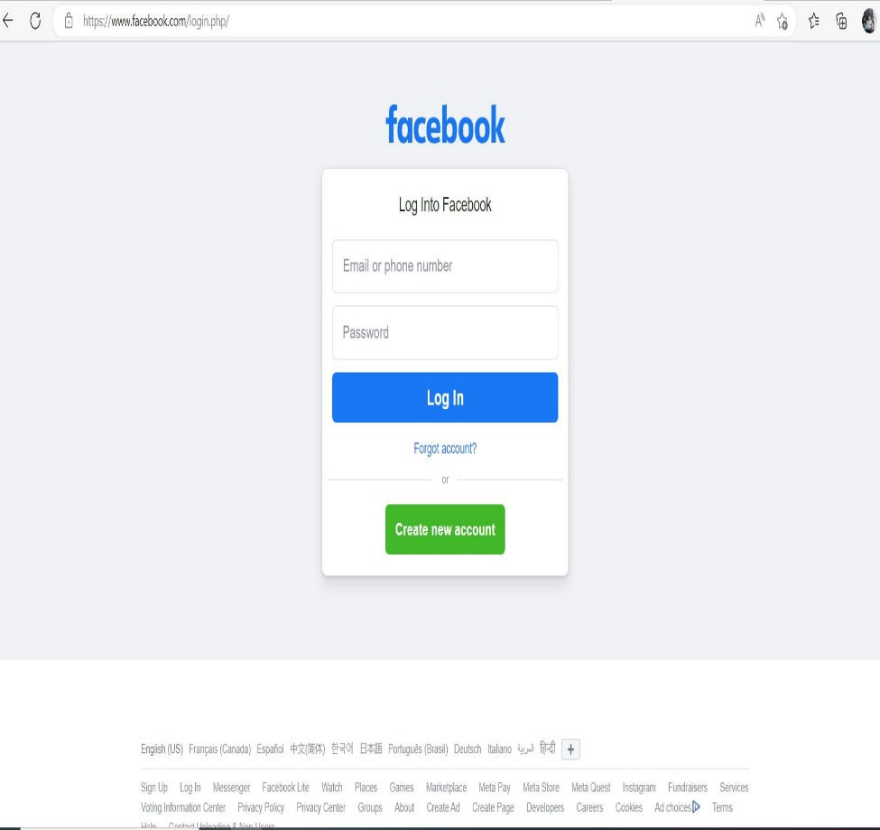
ID | Functionality ID | Test case name | Precondition | Step | Test data | Expected Result | Actual Result | Status
1 | 1 | Check facebook Website URL | Internet should be working and browser required | enter or search the instagram and press enter key | NA | Open the fb home page | As per the expected result | PASS
2 | 2 | Check the fb logo link | Internet should be working and browser required | click on the instagram logo | NA | Refresh or taking to the home page | Not working or refreshing | FAIL
3 | 3 | Check the log in button | Internet should be working and browser required | open the home page of fb , Click on the log in button | enter correct Login info username and pass | open the fb account | As per the expected result | PASS
4 | 3 | Check the log in button | Internet should be working and browser required | open the home page of fb , Click on the log in button | Leave both username and pass blank | shows the error message and ask the ID and pass or Cant click on the button without entering both details | As per the expected result | PASS
5 | 3 | Check the log in button | Internet should be working and browser required | open the home page of fb, Click on the log in button | Leave username blank but enter the password | shows the error message and ask the ID and pass or Cant click on the button without entering both details | As per the expected result | PASS
6 | 3 | Check the log in button | Internet should be working and browser required | open the home page of fb , Click on the log in button | fill username and leave passward blank | shows the error message and ask the ID and pass or Cant click on the button without entering both details | As per the expected result | PASS
7 | 3 | Check the log in button | Internet should be working and browser required | open the home page of fb , Click on the log in button | enter wrong username and correct passward | shows the error message and ask the correct username | As per the expected result | PASS
8 | 3 | Check the log in button | Internet should be working and browser required | open the home page of fb , Click on the log in button | enter correct usename and wrong passward | shows the error message and ask for the correct pass | As per the expected result | PASS
9 | 3 | Check the log in button | Internet should be working and browser required | open the home page of fb , Click on the log in button | enter special characters in the username such as blank space,%,), ets.. | shows the error message and ask for the correct username | As per the expected result | PASS
10 | 4 | check show or hide password button | Internet should be working and browser required | open the home page of fb , enter the passward then after click the show/Hide button | Enter the characters | First when entering the pass its should be showing in the black dots | As per the expected result | PASS
11 | 4 | check show or hide password button | Internet should be working and browser required | open the home page of fb , enter the passward then after click the show/Hide button | Enter the characters | after enter the value click the show buton then display the character | As per the expected result | PASS
12 | 4 | check show or hide password button | Internet should be working and browser required | open the home page of fb , enter the passward then after click the show/Hide button | Enter the characters | when clicking on hide button it just display the black dots intade of actual passward | As per the expected result | PASS
14 | 5 | check forgot password link | Internet should be working and browser required | open the home page of fb , click on the forgot pass link | NA | when clicking on the link it takes to the forgot passward page and email id to reset options | As per the expected result | PASS
15 | 6 | check the sign up button | Internet should be working and browser required | open the home page of fb , click on the create an account | NA | When clicking on the button its taking to the sign up page and asking informations | As per the expected result | PASS
16 | 7 | check the change lenguages options on the bottom bar | Internet should be working and browser required | open the home page of fb , click on the any perticular lenguage button for selecting the lenguage | NA | when selecting the lenguage its change the default lenguage | As per the expected result | PASS
17 | 8 | checking the buttons from the bottom bar such as sign uo,log in ,messenger,watch,games etc .. | Internet should be working and browser required | open the home page of fb , click on the meta button at bottom bar | NA | when clicking on the button opens the meta website | As per the expected result | PASS
18 | 8 | checking the buttons from the bottom bar such as sign uo,log in ,messenger,watch,games etc .. | Internet should be working and browser required | open the home page of fb , click on the sign up button at bottom bar | NA | when clicking on the button opens the sign up tab | As per the expected result | PASS
19 | 8 | checking the buttons from the bottom bar such as sign uo,log in ,messenger,watch,games etc .. | Internet should be working and browser required | open the home page of fb , click on the log in button at bottom bar | NA | when clicking on the button opens the fb log in tab | As per the expected result | PASS
20 | 8 | checking the buttons from the bottom bar such as sign uo,log in ,messenger,watch,games etc .. | Internet should be working and browser required | open the home page of fb , click on the messenger button at bottom bar | NA | when clicking on the button opens the messenger tab | As per the expected result | PASS
21 | 8 | checking the buttons from the bottom bar such as sign uo,log in ,messenger,watch,games etc .. | Internet should be working and browser required | open the home page of fb , click on the facebook lite button at bottom bar | NA | when clicking on the button opens the facebook lite tab | As per the expected result | PASS

